Sheet1
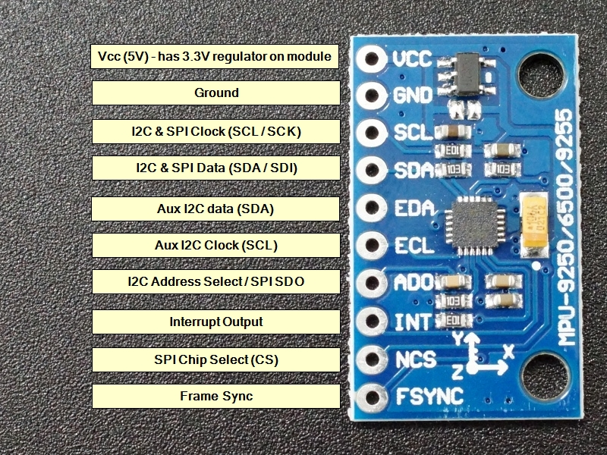
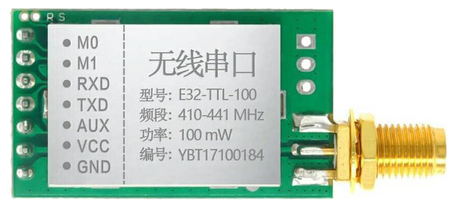
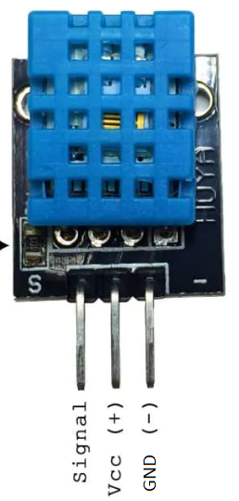
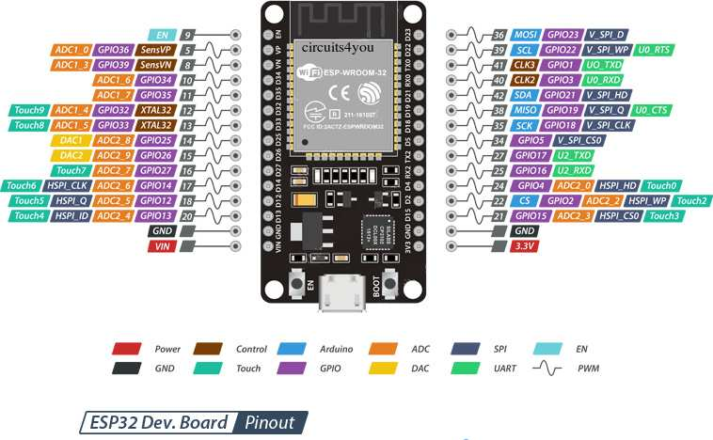
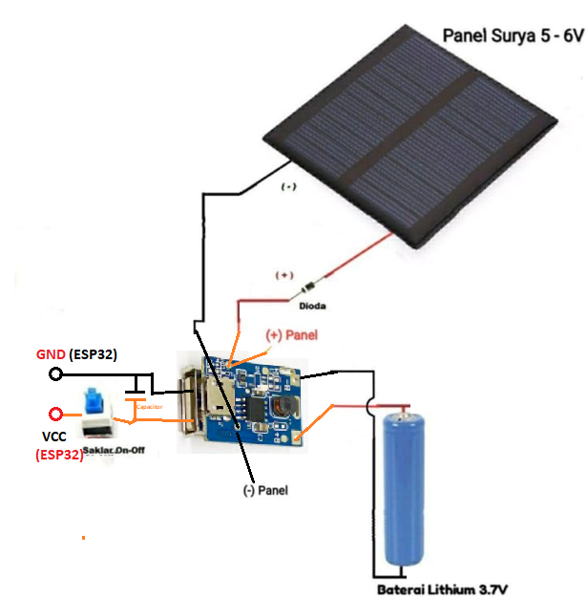
 | PIN MAPPING
 | NO | MODULE | PIN MODULE | PIN ESP32
v | 1 | LORA | M0 | D5
 | 2 |  | M1 | D27
 | 3 |  | RX | RX2/D16
 | 4 |  | TX | TX2/D17
 | 5 |  | AUX | -
 | 6 |  | VCC | 5V
 | 7 |  | GND | GND
v | 8 | MPU9250/MPU6050 (Accelero & Gyro) | VCC | 5V
 | 9 |  | GND | GND
 | 10 |  | SCL | D22
 | 11 |  | SDA | D21
v | 12 | DHT11 (Suhu dan Kelembaban) | DIGITAL INPUT | D4
 | 13 |  | VCC | 5V
 | 14 |  | GND | GND
 | 15 | LED POWER | VCC | 5V
 | 16 |  | GND | GND
 | 17 | LED OUTPUT | OUT | D25
v | 18 |  | OUT | D33
 | 19 | MODUL SOLAR PANEL | + | VCC
 | 20 |  | - | GND
v |  | SWITCH | POWER ON/OFF | -

